Onboarding Tasks
 | These are your onboarding tasks! Enjoy them! The best way to learn the product is by getting in there with some hands on practice.

 |  | You Complete
 | Instructions | Completed? | Answers to Question or Explanation
 | List your demosite URL:
 | Day 1 | Yes
1 | Go to login.admin.appfolio.com and log in using your standard log in credentials. Note: this is where you can go to reset your password. If you would like, set yourself up with a nickname here to be used in place of your login email. (Example: I use "ke" instead of "kenna.edwards@appfolio.com" to save time when logging in.) This is optional! | Yes | I setup a nickname because I saw a lot of other Customer Success Managers doing that when I was shadowing them. It helped them login quickly when they were on the phone and wanted to start answering a cliet question.
2 | Login to your demosite. Visit each of the header tabs (Dashboard, Leasing, Properties, etc.) and their subtabs. Describe what you notice about each of the tabs and the site structure. | Yes | Dashboard Headers include Move Ins, Move Outs, Online Payments, Notifications, Leasing Activity (Last 30 Days), Key Performance Metrics, Portfolio Summary, Delinquencies, Maintenance, and Association Approvals. I noticed in the "Notifications tab there was a 'new service request.' When I clicked on that it took me from the dashboard tab over to the maintenance tab. Cool. Leasing The Leasing tab has a small triangle next to it that shows its subtabs. If you click directly on the 'leasing tab' withough choosing one of the sub-tabs, it doesn't do anything. You have to choose either vacancies, Guest Cards, Rental Applications, or Leases in order for you to navigate away from the page you are currently in. Properties Has the subheadings of 'Properties' and 'Associations. People Has the subheadings: 'Tenants', 'Homeowners', 'Owners', 'Vendors', and 'Tax Authorities.' All of these sub-headsings hold long lists of contacts (except for Tax Authorities, which is empty) Accounting Has the subheadings Receivable, Payables, Bank Accounts, Journal Entries, and GL Account Diagnostics. Receivables has the sub-headings Receipts, Charges, and Bank Deposits. Payables has the subheadings Bills, Payments, Recurring, and Online Payments. Bank Accounts has just a list of bank accounts. Journal Entries has the sub-headings Journal Entry History, Recurring Journal Entries, and Bulk Journal Entries. GL Accounts has a long list of General Ledger Accounts. Diagnostics has a lot of finacial diagnostics such as Security Deposit Funds Mismatch and Escrow Cash Account Balance Mismatch. Maintenance Has the sub-headings Work Orders, Recurring Work Orders, Inspections, Purchase Orders, and Contact Center Reporting Has the sub-headings Reports, Scheduled reports, Letters, Metrics, Surveys, and Compliance
3 | Go back to the dashboard, notice the task bar. Visit the other header tabs and notice the task bar. Why are the tasks different for the different header tabs? In addition to tasks, what else do you see beneath this section? | Yes | The tasks are different for the different header tabs because it is offering the most applicable options for that header. A client in the Leasing > Rental Applications tab is more likely to need the 'New Rental Application' task than a 'New GL Account' task. Also in this section are things like "Calendar," "People", "Reports", "Letters", and "Account"
4 | Use the universal search bar to search for: - Any task you have seen in the database - Any tenant in your demosite - Any owner in your demosite - Any report in your demosite - $50.00 List what you find when you search for each and the name of the task / tenant / owner / report you chose | Yes | I searched for "New GL Account" and it popped right up. I searched for tennant "Eric Andre" because he is a funny comedian. Looks like he lives in Smyrna, CA, according to the demosite. I searched for owner Forrest Marlowe I searched for "Journal Entry Register" Report When I searched for "$50" it brought up two transactions, both were checks for $50.
5 | Click "Help and Training" > Access Help Center. Click through the different sections of the help center. Notice what you find. | Yes | In the Help Center there are the tabs "Help," "Help Topics," "Online Training," "Video Library," "User Community," and "Support Requests." Home has Article and Videos, Online Training, User Community ,Trending Articles, Upcoming Webinars, and "Don't Fear the Auditor."
6 | Search for the help article "Data Backup Requests (Internal Only)." After doing this, log into the Help Center through salesforce and search for the same help article. Are you able to find it from both methods of accessing the Help Center? Why or why not? | Yes | You are not able to access the "Data Backup Requests (Internal Only) document when you access the help center directly from your demosite. This is because the system views you as a "Customer" user and not an internal user. Once you login through Salesforce, the Help Center allows you to view internal documents.
7 | Access the General Settings tab. What do you see here? How would you describe the purpose of this section? | Yes | The General Settings tabs allows you to manage company settings such as setting a company logo and contact information. You can manage Users, set communication settings, and manage maintenance work order settings. The purpose of this section is to allow companies to control more wide-reaching settings in their account and customize their profile
8 | Click "Manage Company Settings" and change your demosite's name. It can be as simple as "Kenna's Property Management" or you can make up the business name of your dreams! Add a logo and phone number in your company settings as well (it does not have to be a real phone number). After you do this, what do you see change? You can make the logo anything you want, or you can use this picture: https://drive.google.com/open?id=13cE-jUkK5U3u5ck7gQHcaxlo5VMz2K33 | Yes | I changed my demosite's name to "Quotidian Property Management." Quotidian means 'Occuring Everyday.' And that is what great service does! After I did this I saw at the top of the screen the demosite name changed to 'Quotidian Property Management.
9 | Set yourself up as a presidential user in your demosite using your AppFolio email with a "+1" between your name and "@appfolio.com". Example: kenna.edwards+1@appfolio.com. Go to your email and activate this account. Click through the database as this user. | Yes
10 | Set yourself up as a leasing agent user in your demosite using your AppFolio email with a "+2" between your name and "@appfolio.com". Example: kenna.edwards+2@appfolio.com. Go to your email and activate this account. Click through the database as this user. | Yes
11 | Log out and log back in with your internal Customer Service user. What is different from logging in as a president, a leasing agent, and an internal user? | Yes | Under Users, the Presidential User has 2FA on while the Leasing Agent does not. The Leasing Agent doesn't even have access to General Settings. The Customer Services user's role is "Services." Also , the Presidential User has "Update Billing Information" in the General settings, while the internal Customer Service User does not.
12 | Pull up the following properties: - Natasket Court - Office Plaza - University Village - Seaside Estuary Notice the different tabs available on each. Why do some properties have different tabs than others? What does this correspond to? | Yes | Some properties have different tabs than others based on their property type. For exampe: - Natasket Court is Single-Family - Office Plaza is Commercial - University Village is Student Housing - Seaside Estuary is HOA
13 | Set up a property group titled "San Diego" and include the following properties: - Bayside Walk #A - Natasket Court - Olympic Park - Quayside Court - Seagrit Court - Sunshine Apartments - University Village - West Coast Homeowners Association, Inc. What steps did you take? How would you restrict a user to see only this property group? | Yes | Steps: 1. Click on 'Customer Service' in the top right corner 2. Click on 'General Settings', which is the third option in the drop down menu when you click on Customer Service 3. Under 'Property Groups (the third heading) click 'New Property Group' 4. Enter "San Diego" as the Property Group Name 5. Choose the propertiees as directed 6. Click 'Save' at the bottom of the page To restrict a user to see only this property group you would: 1. Go to Customer Service > General Settings > Manage Users > Pick a user such as 'Leasing Agent' 2. Scroll down to the bottom of the page and under the header 'Property Groups and Portfolios, check "View these Property Groups & Portfolios only:" 3. Check only the 'San Diego Property Group
14 | Run a report to find all the property groups included in your database. What report is this and how did you access it? Is there anywhere else you could go to find this information? | Yes | I searched 'Property Group' in the search box and found 'Property Group Directory' under the 'Reports,' which means I can also go to: Reporting > Property & Unit Reports heading find 'Property Group Directory'
15 | Access the tenant page for Davey Patrick. Use either your personal email or your AppFolio email with a +3 to activate Davey's tenant portal. List the steps you completed to activate this portal. | Yes | 1. Go to People > Tenants > P > Patrick, Davey 2. In the Center of the Page, find the 'Contact' heading. Click 'edit.' 3. Under Emails, enter your email 4. Click 'Save' 5. Go to your email and answer the Invitation to Activate Your Online Portal 6. Set up a new password
16 | Log into Davey's portal. Note what you see. | Yes | On the left side of the page I see: Davey Patrick Home Payments Maintenance Shared Documents Property Info Account Profile Help In the center of the page I see: Your Current Balance Address Maintenance Requests Renters Insurance
17 | Send Davey Patrick a password reset email and go through the process. | Yes | 1. On the left side of the page go to 'Account Profile' 2. Type in your current password, and then type and re-type a new password 3. Check your email for the Account Change confirmation
18 | Log into the service portal and search for the email associated with Davey's portal. What do you see? | Yes | Seach Blacklist' produces "No emails to display" 'Search Full History (Slow)' produces "No emails to display"
19 | Enter either your personal email or your AppFolio email with a +4 as the email for Alexandra White. Activate her portal and take note of what you see. | Yes | 1. Go to Reporting > Letters > On the task bar on the right find 'Owner Portal Annoucement' Under the 'Letters Heading 2. Search for Alexendra White in the Search box 3. Click Email 4. Check your email and respond. Take note of what you see: On the left there are Statements, Transactions, and Documents There are multiple packets from different months that you can download and see an owner statement.
20 | Create a new multi-family property called Test Property. Create yourself as an owner and assign your owner to this property. You should use this property to test all features in the system to get a basic understanding for how they work - any time you get to a new topic, play around with the feature or completed the process on this property. This is your property to mess around with so feel free to mess it up! | Yes | Great!
 | Day 2
1 | Go to Olympic Park, unit 12. Why can't you edit the market rent for this unit? | Yes | You can't edit the market rent for this unit because it is one of many of similar unit types in this property and they all are set to the same Market Rent via their Unit Type. Fields selected in the Unit Type will be overwritten and can only be edited on the Unit Type page.
2 | Create a new unit type for Olympic Park. Add units 91-94 to this unit type. What changes on these units? | Yes | The unit's information is updated to reflect wat was in the Unit Type Information
3 | Create a campaign for the unit type from the above task. List the steps you took to create this. | Yes | 1. Navigate to the property (Olympic Park) you wish to create a Marketing Campaign for. 2. Click the Unit Types subtab, then click the Unit Type you wish to create a campaign for (Units 91-94) 3. On the Unit Type page in the Tasks menu on the right click New Marketing Campaign 4. On the New Marketing Campaign page enter the following: - Campaign Title - Campaign Description - Available On date - Advertised Rent amount - Security Deposit Amount 5. Click Create Campaign Helpful Article: Create a Marketing Campaign https://help.appfolio.com/s/article/Marketing-Campaigns
4 | Where can you find this campaign? Where can you edit this campaign? | Yes | You can find this campaign by: 1. clicking Leasing and select Vacancies 2. Use the filters to locate the campaign. The property image displays a Campaign banner to distinguish it from standard listings. The campaig banner will only display in your database. You can edit the campaign by clicking 'Edit Campaign'
5 | Where can you go to find all properties posted to your website? List this URL for your demosite. | Yes | You can go to databasename.appfolio.com/listings to see currently posted vacancies. https://demoworden.appfolio.com/
6 | Where would you go to find AppFolio's vacancy posting HTML code? What does this do? | Yes | Go to: 1. Customer Service > General Settings > under Leasing click Online Posting Settings This allows a client to have live vacancy listings appear on their own website.
7 | In yesterday's tasks, you created a property group called "San Diego." If I only wanted to post vacancies for this property group, how would I do so? List the steps and copy / paste the vacancy posting HTML code that you would enter. | Yes | 1. Go to Online Posting Settings 2. Copy the Vacancy Posting HTML Code and paste it to your site. 3. Remove “//“ and insert property group name ("San Diego) to post only properties from this group <script type='text/javascript' charset='utf-8'> document.write(unescape("%3Cscript src='" + (('https:' == document.location.protocol) ? 'https:' : 'http:') + "//demoworden.appfolio.com/javascripts/listing.js' type='text/javascript'%3E%3C/script%3E")); </script> <script type='text/javascript' charset='utf-8'> Appfolio.Listing({ hostUrl: 'demoworden.appfolio.com', propertyGroup: 'San Diego', themeColor: '#676767', height: '500px', width: '100%' }); </script>
8 | Post Toulon Court to the internet. Why is it not posted to Apartments.com? Where did you go to find this? (Unpost this property as soon as you are done with this task.) | Yes | Toulon Court was not posted to Apartments.com because Apartments.com requires at least 1 photo per posted unit and Toulon Court did not have a photo. I found this information by clicking "Where is my property listed?" at the top of the page in the green box that said "Unit has been posted to the Internet. Please allow up to one day for the changes to appear." But you can also click the 'Marketing' tab at the top of the page and it will show you where your property is listed. You can also go to http://learn.appfolio.com/apm/lp/103/partners.html and view requirements. Apartments.com is under "Basic" Listing Partners.
9 | Go to Leasing > Guest Cards and search for Sandy Barnes. I know I entered her guest card on 06/18/18, but I cannot find her here! What am I doing wrong? Are you able to find her? If so, how? | Yes | Yes, I can find her. Here is how: 1. Go to Reporting > Reports > Scroll down to Leasing Reports > Guest Cards 2. On the Customize Report Card slect 'Show All Properties" from the dropdown menu 3. Under Status check the 'Inactive' box 4. At the bottom of the form choose 6/18/18 for the Interest Received Range 5. Click 'Update' Sandy Barnes will appear in the report. You can see that her Status is 'Inactive' and that her 'Last Activity Type' is 'Status Changed to Inactive' Also, for what it's worth, her email address is @gmal.com instead of @gmail.com
10 | Run a Guest Card report with the default filters. Why does Amber Robinson appear more than once? | Yes | Amber Robinson appears more than once because she is interested in more than one property: Natasket Court - 808 Natasket Court San Diego, CA 92109 825 Seagrit Court San Diego, CA 92109 Sunshie Apartments - 1471 8th Ave San Diego, CA 92101
11 | Pull up your dashboard, note the unit count. Next, go to the unit page for Property B, Unit 41. Mark this unit as a non-rentable unit. Go back to your dashboard and note the unit count. Did anything change? (Leave this as a non-rentable unit.) | Yes | 473 Total units Once I marked Property B, Unit 41 as a non-rentable unit the Total unit count on my Dashboard changed to 472
12 | Enter a new guest card in your demosite for the property created in Day 1, task 20. Set the source of the application as "HotPads." Explain how you added this source and list the name of this guest card in your answer. | Yes | 1. Go to Leasing > Guest Cards 2. New Guest Card 3. In the 'Contact Information' Section under Source: Type "HotPads" and hit Return The name of the Guest card is "Joe Z. Barton"
13 | From this guest card, click "Enter Rental Application" and enter a rental application for the guest card. This application should be on the property created in task 20 from Day 1. List the name of the applicant in your answer. | Yes | 1. Click on the Guest Card 2. On the right side of the screen under the task bar, click 'Enter Rental Application' 3. Under 'Unit' select the property for the property created in task 320 from Day 1 (mine is "Test Property - The BEST Unit") 4. Enter other applicable information. I gave this rental application some personality under the 'Questions' section The name of my rental Application is "Joe Z. Barton"
14 | Customize your rental application by: - Requiring five years of residential history - Requiring Residential History and Employment Details - Adding a question asking, "Are you a smoker?" | Yes | To customize your rental application, do the following: 1. At the top right of AppFolio click your name and select General Settings 2. Under Leasing, click Rental Application Customization 3. Under Applicant Instructions, change the copy of the second paragraph to read "To complete this rental application, you must be prepared to provide 5 years of residential history". Similarly, under 'Residential History Instructions' change the copy to read "Please provide 5 years of residential history" To require Residential History and Emplyment Details, check the corisponding boxes under "Submission Requirements", toward the top of the page To ask a question about being a smoker, scoll down to 'Application Questions' and Add Another Question
15 | Preview your rental application. Where do you go to do this? Where does the "Before You Begin" section and "Terms of Agreement" pull from? Where do you see these on the rental application? | Yes | To preview rental application, go to the Tasks bar on the right. It is the first link. The "Before You Begin" section pulls from the 'Applicant Instructions' section when you fill out the Rental Application Customization. 'Before You Begin' is on the first page at the very top of the Rental Application. The "Terms of Agreement" section (which is on the 'Review and Confirm' page when you are previewing the renttal application) is also taken from the Rental Application Customization page, down at the bottom under "Your Terms of Agreement"
16 | Add the following default rental application activities: Activity Description Label Assign to Due After Screen Applicant Screening n/a 1 day Inform of Decision Follow Up n/a 1 day Follow Up if Yes Follow Up n/a 2 days Follow up if no response Follow Up n/a 5 days | Yes | On the Rental Application Customization page, scroll down to Default Application Activities. Enter the Activity Description (e.g. Screen Application) Issue: In the Label Section, when you type in "Screening" it says "No matches found" and doesn't allow you to enter a new label. Work-Around: Go to Properties > Pick any property > Under Upcoming Activities > Add Activity. A 'New Activity' Page will pop up. Enter Date, Description, and Label. Your new label will generate a drop-down that says 'add (the name of your label). Click the plus button. Hit save. Now that label is in the system. Back on the properties page you can even delete the activity you just made and the label will still exist in the system. Go back to the Rental Application Customization page. When you scroll down to 'Default Application Activities' and Add Another Default Activity, your label will now show up when you type it into the 'Label' section.
17 | Can you group Alex Johnson's application with Kyle Thomas' rental application? Why or why not? Group Alex Johnson's application with Ryan Nelson. Why did this work? | Yes | No, you cannot group Alex Johnson's application with Kyle Thomas' rental application because they are interested in different units. 1. Search for Alex Johnson 2. On his Rental Application page, under 'Applicant Summary' note the Unit that Alex Johnson is interested in. In this example, the Unit is 'University Village - 101 - B' 3. Search for Kyle Thomas. Notice that Kyle is interested in Olympic Park - 1 4. Only exisiting groups of applications with the same unit of interest are available to choose from when grouping applications. Additionally, only Decision Pending or Approved applications are able to be grouped. But in this example the reason is that they are interestd in different properties / units. To group Alex Johnson's application with Ryan Johnson's: 1. Search for Alex Johnson 2. On his Rental Application, on the right under the Task bar, select 'Group Applications' 3. In the 'Group Application' dialogue box, search for Ryan J. Nelson. 4. Select 'Add Application' This worked because both Alex and Ryan are interested in the same property and unit. Helpful Article: https://help.appfolio.com/s/article/Group-Rental-Applications
18 | Charge Alex Johnson and Ryan Nelson's grouped application a hold deposit. | Yes | 1. On either Alex Johnson or Ryan Nelson's Rental Application, on the ride side under the Task bar, select 'Charge Hold Deposit' 2. In the 'Charge Hold Deposit' dialogue box, select the property they are interested in. Note: Applicats can only move into a unit that belongs to the property you choose here. They were intersted in University Village - 101 - B', so choose that. 3. Enter in the amount for the Hold Deposit 4. Select 'Next.' A confirmation dialogue box will pop up showing the Tenants who are grouped together that this hold deposit will be applied to. 5. Select 'Charge Hold Deposit.' This will bring you to the People > Tenants page for Olympipic Park and show both Alex Johnson and Ryan Nelson with a current balance of $850
19 | Try to change the unit on Alex and Ryan's grouped application. Can you? Why or why not? | Yes | You cannot change the unit on Alex and Ryan's grouped application. On the Rental Application down at 'Applicant Summary' there is no edit button. I think this is because they are in the process of moving in? If you Cancel their Move-In and go back to the Rental Application, you can edit the unit, but it gives you a warning that says "This will also udate the unit on all grouped applications" If you Ungroup Ryan J. Nelson and Alex M. Johnson, you can change the unit on their Applicant Summary without also changing the other's.
20 | Access Jay L. Hoover's Rental Application. Convert Jay to a future tenant, moving in at the beginning of next month, and set the current tenant to move out at the end of the current month. Click to save for later after you have started the move in workflow. | Yes | 1. On Jay L. Hoover's Rental Application, on the right Task Bar, click 'Convert To Tenant' 2. A 'Unit Is Occupied' dialoge box pops up. Choose "Move In Future Tenant" 3. A 'Add Future Tenant to Occupied Unit" dialoge box pops up. Select a move out date for the current tenant (10/31/18), if there is one (in this case it is 'Michael Millwood') 4. Choose a date for move-in for Jay L. Hoover (11/01/2018) 5. On the next page, under the Task bar on the right, click "Save For Later"
 | Day 3
1 | Create a new portfolio in your database. The information in the portfolio is up to you, but be sure include a logo. You can use whatever image for the logo that you would like, or you can use this image: https://drive.google.com/open?id=1c5YrB5-Dh2YrreHW8Y6tjDgrflC81SJh List the steps you took to create this portfolio. | Yes | 1. Go to Customer Service > Manage Company Settings > Portfolios > Under the Task bar on the right, click on 'New Portfolio' (You can also use the universal search bar to search "New Portfolio" and jump straight to that task.) 2. Fill in the required fields for the new portfolio (Mine is called 'Chapman University Portfolio') 3. Click 'Save' 4. The next page will allow you to upload a photo. Choose a file and then click 'Upload' 4. Use the Universal Search Bar to search for a property you want to add to the new portfolio 5. On the Property page, under 'Property Information' click 'edit' 6. Under 'Portfolio' use the dropdown menu to choose the new portfolio (In my case this is called Chapman University Portfolio)
2 | Add Property B to this portfolio. How did you complete this? | Yes | 1. Search for Property B using the Universal Search Bar 2. In the Property Information Header, click 'edit.' 3. Next to 'Portfolio' use the dropdown menu to choose the portfolio (Chapman University Portfolio) 4. Click Save
3 | Add the property group, Anna's Properties, to this portfolio. How did you complete this? | Yes | 1. Go to Customer Success > Under Admin Settings click on 'Success' > Under the Batch Operations Task Bar on the Right, choose 'Batch Edit Property Fields' 2. Scoll to the bottom, under 'Edit Portfolio for Properties' type in 'Anna's Properties' 3. Under 'Portfolio' choose 'Chapman University Portfolio' 4. Click 'Submit' 5. When the 'Please Confirm' dialogue box comes up, select 'OK'
4 | Go to Maintenance > Work Orders. Locate the work order for Douglas Quaid from 07/10/18. Locate the work order for Lashanta Brockett on the same date. Print each of these work orders as a PDF. What is different? Why? | Yes | The difference between the PDFs of Lashanta Brocket and Douglas Quaid are: 1. The work order number is #2-1 for Lashanta Brocket, and for Douglas Quaid the Work Order number is #1-1. 2. The job site for Lashanta is Property B - 37. The job site for Douglas Quaid is University VIllage - 102 - B 3. The tenants section is different. Douglas Quaid is the only tenant at his property. Lashanta has two other roommates. 4. Lashanta has no phone number but has an email, Douglas has a phone number but no email
5 | Edit the email that is sent out with your owner statements so that these read, "Dear <<Owner First Name>>, We have shared your monthly statement with you. To view the statement, click the button above. Please contact us with any questions. Thank you for your business! <<Company Name>> Anything in << >> use an insert field. List the steps you used to complete this process. | Yes | 1. Go to Customer Service > General Settings > Manage Company Settings 2. Scoll down to Owner Packet Email Settings 3. Edit the Email Body
6 | Access Abby de la Couer's tenant page. I want to send her the online portal activation via text, but I do not have the option. She has a phone number - what is wrong and how can I fix this? | Yes | Abby de la Couer cannot receive text messages. It seems this is because the phone number (555) 555-9746 is invalid or not a mobile number. Abby's number was also shared with another tenant (Taryn Manning). But I went in and changed Taryn's number and Abby's texting feature still didn't work. I changed Abby's number to my number, and that worked, but when I changed Abby's number back to (555) 555-9746 and then tried to send a text, it gave the error "Sorry, the phone number you are texting is invalid or not a mobile number." To fix this you need a valid mobile number
7 | My past tenant, Bill Murray, has a large outstanding balance that he wants to pay online. He lived at 812 Silverpool Court. When I go to Reporting > Letters > Online Portal Activation and search for the property 812 Silverpool Court, he does not appear. What am I doing wrong? | Yes | 1. Search for Bill Murray in the universal search bar 2. Scroll down to 'Tenant Status' 3. Bill Murray is a past tenant. He moved out in August 2013 4. Scroll down to the next header and look at Online Portal Status. 5. 'Portal Activated' says 'No' This is why whe doesn't show up in the Online Portal Activation report. He would need to re-activate his portal
8 | I want to print all my tenant ledgers for University Village at once. Complete the steps to do this and list what you did. | Yes | 1. Go to Reporting > Letters > New Tenant Letter 2. Use the "Attached Report" Dropdown menu to choose 'Tenant Ledger' 3. Save and close 4. In the Letters section, click on this new letter 5. Search for University Village 6. Choose "All" for 'Tenant Status' 7. Click 'Search' 8. Choose: Email 'None,' and Letter 'All' 9. Click 'Letters' A document will download to your computer with all the tenant ledgers from University Village
9 | Enter your cell phone number on Joan Stern's tenant page. Send yourself a text | Yes | Joan Stern's old number: (555) 695-3665 Texting worked when I switched Joan's number to my number (541) 213-1453
10 | Enable text message replies. Where did you go to do this? | Yes | 1. Customer Service > General Settings > Scroll down to Communication > Texting Settings 2. Check the box for 'Accept inbound text messages from tenants, owners, vendors, and prospects 3. Click 'Save'
11 | Respond to the text you sent yourself. Go back to Joan Stern's tenant page and note where the reply appears. | Yes | On Joan Stern's tenant page scroll down to the 'Texts' header. This is where the reply appears
12 | Send a bulk email to all tenants at University Village - list the steps you took to do this. Visit a few current tenant pages and note how the email appears. | Yes | 1. Go to Reporting > Letters 2. Select a letter 3. In the Properties search field, search for "University Village" 4. Uncheck 'Amount Owed' 5. Hit Search 6. Next to 'Letter' click 'None' 7. Next to 'Email' click 'All' 8. Click 'Email' Navigate to one of the tenant pages (for example, Clayton Phelps) and scroll down to the Emails section. The email appears with the Date & Time, To, From, adnd Subject
13 | Edit the three day notice letter so that it is a five day notice letter by changing the title and the phrasing. Access any tenant page. Why does the title of the task not update? | Yes | 1. Reporting > Letters > 3-Day Notice 2. Change the title and the copy (to 5-Day notice) 3. Go to any tenant page Scroll down. On the right, the Letters Bar still has a 3 Day Notice. This is because when you updated the letter you are just updating the actual letter, not the link on the pages. If you click on this link, it will take you to the notice, which will now be called '5-Day Notice' because you changed it.
14 | Create a new tenant letter. Title it "Cold Weather Letter." The text should be as follows - anything in << >> needs to be an insert field. <<Date>> Dear <<Tenant First Name>>, Winter is coming. It is your responsibility to weatherize your rental property, located at <<Unit Address>>. Please do the following to ensure your home is prepared for winter. 1. Plug foundation vents 2. Disconnect any outside hoses. 3. Leave all faucets dripping. Your efforts to prevent freezing before your pipes freeze will save you both discomfort and expense. Thank you for your efforts to maintain your home. Please let us know if you have any questions. Thank you, << Company Name>> <<Company Phone Number>> <<Company Address 1>> | Yes | 1. Go to Reporting > Letters > On the Task Bar on the right select 'New Tenant Letter' 2. Fill in the applicable information
...
 | Day 5
 | Day 7
1 | On day 3, task 20, you were told to start Jay L. Hoover's move in. Where can you find this in progress move in? Complete this move in. | Yes | I originally looked under Leasing > Rental Applications but couldn't find Jay L. Hoover when I searched for him. 1. Search for Jay L. Hoover in the Universal Search Bar, and choose his rental application 2. On the right Task Bar, Choose Convert To Tenant 3. This brings you to the Move In Tenant Page 4. Fill in the relevant information, input an email and send the lease to be signed. Here is a helpful article on this: https://help.appfolio.com/s/article/Continue-the-Move-In-Workflow 5. Check your email, sign the lease 6. Counter sign the lease
2 | Find any four vacant units (the properties ones off limits are Property C, Post Avenue, and Waterbridge). List how you found these vacant units and which units they are. You will use these in the next four tasks. | Yes | Go to Leasing > Vacancies Olympic Park 101 Olympic Park 102 Olympic Park 106 Olympic Park 107
3 | Move in a tenant manually from the dashboard (Dashboard > Move In Tenant) into one of the units from task two. Make sure the tenant has a monthly rent charge and a security deposit charge. Do not pay these charges. List the tenant's name. | Yes | Tenant's name: Noam Chomsky Olympic Park 101
4 | Move in a tenant manually from the People > Tenants page into one of the units from task two. Make sure the tenant has a monthly rent charge and a security deposit charge. Do not pay these charges. List the tenant's name. | Yes | Tenan'ts name: John Wooden Olympic Park 102
5 | Move in a tenant manually from a vacant unit page into one of the units from task two.Make sure the tenant has a monthly rent charge and a security deposit charge. Do not pay these charges. List the tenant's name. | Yes | Go to Leasing > Vacancies > Pick a Vacant Unit > On the Right click Move In Tenant A note about this one: Since you started from a vacant unit page, when you get to "Select Unit" in the Move-In Tenant workflow, the "Available Unit" dropdown menu will auto populate to the vacant unit page that you started from. You will need to change this to the unit that you want. Tenant's name: Joe Rogan Olympic Park 106
6 | Enter a new rental application onto one of the units found in task two. Move in this applicant using the "Convert to Tenant" process. Make sure the tenant has a monthly rent charge and a security deposit charge. Do not pay these charges. List the tenant's name. | Yes | Go to Leasing > Rental Applications > From the task bar on the right New Rental Application 1. Fill out the applicable information 2. Go to Leasing > Rental Applications > The new tenant's rental application should appear here 3. Click on the Rental Application > On the right select "Convert to Tenant" Tenant's name: Betsy DeVoss Olympic Park 107
7 | Why haven't Carmela Soprano's monthly charges been posting? | Yes | On Carmela Soprano's Tenat Page, scroll down to "Recurring Charges" Here, the following is listed: Start Date: 8/1/2017 Frequency: Monthly Last Charged On: 8/2020 Next Charge Due: 10/27/2018 GL Account: 4100: Rent Income Amount: 1,300 Is it the month of the tenant's move-in? No, the tenants move-in was 9/15/2017 Is there a "Last Charged on" date in the Recurring charges section? Is it in the future? Yes, the 'Last Charged On" Date is 8/2020 Carmela Soprano's monthly charges haven't been posting because her "Last Charged On" Date in the Recurring Charges Section is set to in the future
8 | Why didn't Aaron Wallenberg's August Storage charge post? | Yes | Is it the month of the tenant's move-in? No, the tenants move in was 8/1/2018 Is there a "Last Charged on" date in the Recurring charges section? Is it in the future? No, for Storage there is no Last Charged On date, which means the charge was added today and will post tonight at midnight Aaron Wallenberg's August Storage charge did not post because it was entered today, and will post tonight at midnight
9 | I cannot find Donald Glover's July 2018 HOA charge, but I see a Last Charged On Date in the Recurring Charges section, know it posted!! What most likely happened? | Yes | Is it the month of the tenant's move-in? No, the tenants move in was 07/01/2016 Is there a "Last Charged on" date in the Monthly charges section? Yes Gun a General Ledger on an "Accrual" accounting basis showing reversed transactions. Check the A/R GL for a reversed charge Turns out, you can't see the HOA charge because there is a reversed charged for Donald Glover on July 1st, 2018
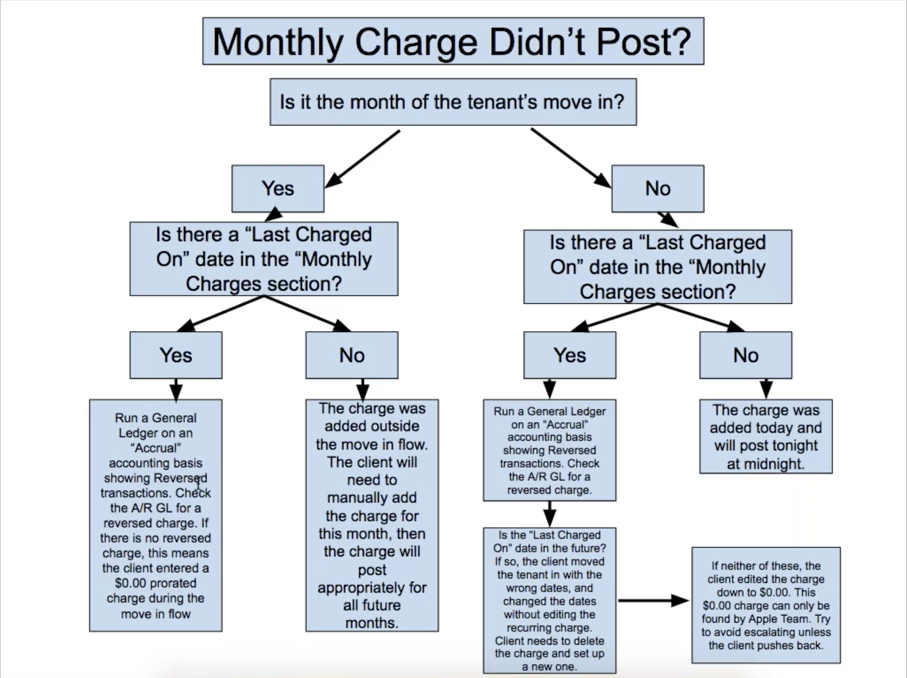
10 | What should you do to troubleshoot the situation in task nine? | Yes | You should follow this workflow:
11 | Enable Second Month Proration in your database. Where did you go to do this? What other proration settings are available here? | Yes | Go to Customer Service> Under the Admin Settings Header > Success > Under the Accounting Header > Under the Rent Proration Header > Check Use second month proration? The other proration settings that are available here are proration calculations, which include 30 day month, Actual Days in Month, and Yearly Day Cost
12 | Move in a tenant as of the 15th of November, this year. Set the monthly rent charge to $3,000.00 in the Lease Details step. Do not move past this step. | Yes | Tenant: Ben Carson Direcor of the Department of Housing and Urban Development Move-In Date: 11/15/18 Lease Start Date: 11/15/18 Recurring Charges: $3,000 GL Account: 4100 : Rental Income
13 | Change your Proration Calculation to 30 Days, Actual Days in Month, and Calendar year. How do the prorated charges change? | Yes | Go to Customer Service> Under the Admin Settings Header > Success > Under the Accounting Header > Under the Rent Proration Header > Next to "Proration Settings" use the dropdown menu to choose '30 day month' For 30 Day Month, the proration charges change to Rent/30
14 | What should the client do if they want to charge this tenant the full amount and no prorated rent? What is a common error clients make when attempting to do this? | Yes | In the Move-In Flow in the "Lease Details" step scroll down to the 'Prorated Charges' section and check 'Charge Full Amount'. A common error that clients make when attempting to do this is that they seet the prorated charges to zero. This will mean that the second month the charges won't post.
15 | Copy the sample lease template AppFolio provides. View this lease template. What appears in yellow? How do these yellow fields help the client? | Yes | 1. Click Leasing, select Leases, and in the Tasks menu on the right select Lease Templates. 2. Click Sample Lease Template. The lease will open in a new browser tab. The fields that appear in yellow are the fields that clients need to fill out to personalize their lease. This helps the client know what they need to fill out. They show up as yellow to the tenant to emphasize the personal aspects of the lease that are particular to them.
16 | A client needs the dollar amount of rent both in numerical form and spelled out in words - this is required in their state. What can you do to accommodate this need? Go through the steps to create this insert field in your demosite. | Yes | You can click on the section you want to edit (in this case 'Rents and Charges'), and then click 'Insert Manual Field' and click 'Rent Amount In Words'
17 | In the sample lease you copied for task fifteen, after the Monthly Rent Insert field, add in the manual merge field for rent amount in words. | Yes | You can click on the section you want to edit (in this case 'Rents and Charges'), and then click 'Insert Manual Field' and click 'Rent Amount In Words'
18 | Create a new Attachment called "Lead Based Paint" using the PDF you find at this link: https://drive.google.com/open?id=1hVh2Sp8kf8DhvTtd2fxuF9Q4fm8k-Px8 | Yes | lead_in_your_home_brochure_land_b_w_508_easy_print_0.pdf
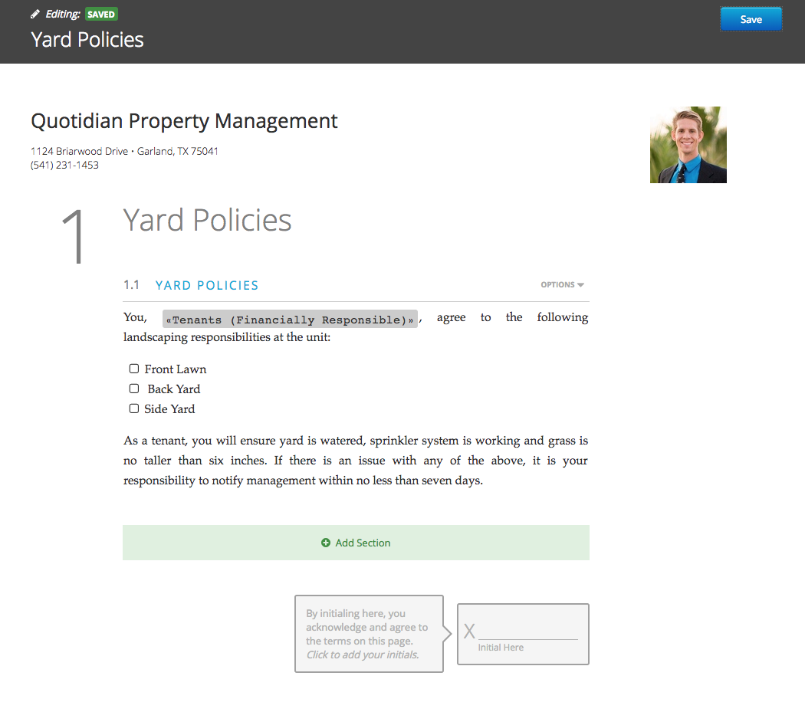
19 | Enter a new lease addenda called "Yard Policies" with the following text. Anything in << >> should be an insert field. Put a checkbox in front of "Front Lawn," "Back Yard," and "Side Yard": You, <<Tenants (Financially Responsible)>> , agree to the following landscaping responsibilities at the unit: Front Lawn Back Yard Side Yard As a tenant, you will ensure yard is watered, sprinkler system is working and grass is no taller than six inches. If there is an issue with any of the above, it is your responsibility to notify management within no less than seven days. | Yes
20 | In day 1, task sixteen, you set up a portal for Davey Patrick with your email. Send him the following lease documents: - The lease you created (don't forget to fill out the manual merge field) - The Lead Based Paint attachment - The Yard Policies addenda (Davey should be responsible only for the backyard - be sure to specify this) Log into Davey's portal, and sign these documents. Go back to your demosite and countersign these as a client. | Yes | 1. Search for Davey Patrick in the Universal Search Bar 2. On his tenant page on the right, click 'Send Lease or Addendum" 3. Click Choose a Lease
 | Day 8
1 | Enter a bill for Northside Tool Rental, as of today's date for $100.00 on Sunshine Apartments. Use the 6193: Equipment Rental | Yes | Go to: 1. Accounting > Payables > Enter Bill
2 | Run a general ledger for Sunshine Apartments, selecting only the 6193 and 1150 GL accounts. Does this bill appear on the general edger? Why or why not? | Yes | Search for Sunshine Apartments in the Universal Search Bar > On The Right column under the Reports tab click General Ledger This bill does not show up on the General Ledger because the accounting basis is 'Cash'. Only payments and receipts affect cash, therefore a bill doesn't show up on the General Ledger. If you switch the General Ledger to 'Accrual' the bill for Northside Tool Rental will show up.
3 | Use the "Write Checks" flow to find and pay this bill. | Yes | Accounting > Payables > Write Checks Choose the Wells Fargo Operating Bank Account and Sunshine Apartments for the Properties field
4 | Refresh the general ledger you ran in task two. What changes? Why? | Yes | A Debit shows up for Northside Tool Rental. This occus because the "write checks" flow affected cash, and the general ledger is showing cash accounting.
5 | Enter a bill, payable to the management company for $500.00 on Property C. Date it as of today's date and use the management fees GL account. Why are there not available funds to pay this bill? | Yes | Accounting > Payables > Enter Bill 1. To See Available Funds click on Write Checks on the right hand side. 2. Enter Wells Fargo Operating as the Bank Account 3. Enter Property C in the Properties box 4. Click Search There are only $411.38 of available funds. Available Funds are calculated by the following: (+) Property Cash (-) Undeposited Receipts (-) Receipts in Future Deposits (-) Tenant Prepayment Liability Balance
6 | Enter a bill, payable to Quality Carpet & Vinyl, Inc. against the 6071: Carpet Cleaning GL account on the property Bayside Walk #A for $2,000.00. | Yes | Accounting > Payables > Enter Bill
7 | Try to pay this bill through the Write Checks flow. Do you get an error message? What does it say? | Yes | From Accounting > Payables > Bills > Select Write Checks on the right 1. Bayside Walk #A's Operating Cash Account is "Rental Trust" so in the Write Checks flow select "Rental Trust" for the bank account. Properties is Bayside Walk #A 2. Click search 3. Check the box next to 'Quality Carpet & Vinyl, Inc." and press Continue Yes, it throws an error message: "These payments will result in available funds below required reserve amounts for one or more properties. Would you like to continue anyway?"
8 | Run a General Ledger for Bayside Walk #A. The operating cash balance is larger than the bill. Why are there not available funds? | Yes | Because Prepaid Rent has a balance of $7,250 and you can't use this money to pay the bill because the tenant could hypothetically ask for that money back
9 | Use the bill detail to find an unpaid Owner Draw from April for Guillermo Patterson on Post Avenue. Explain the steps you took to find this report and the filters you used. | Yes | Accounting > Payables > Bill Detail On Customize Report, enter the following: 1. Properties: Post Avenue - 4106 Post Avenue, Darrien, CT, also put in Guillermo Patterson's name 2. Set Bill Status to Unpaid 3. Set the Date range to April An unpaid owner distribution of $3,389.62 pops up
10 | Try to pay this owner draw through the Write Checks flow. Do you get an error message? What does it say? | Yes | Yes, the error message is: "These payments will result in available funds below required reserve amounts for one or more properties. Would you like to ocntinue anyway?"
11 | Run a General Ledger for Post Avenue. The operating cash balance is larger than the owner draw. Why are there not available funds? | Yes | The Reserve Funds on the property / Owner Guillermo Patterson is $400.
12 | Enter an owner draw for $100.00 for Megan Walsh. How did the system know which GL account to pick? (HINT: you learned this in day 5). | Yes | Accounting > Payables > Owner Draw The system knew to pick the GL Account because in Account Settings, Other Key Accounts, the Owner Disbursment Account is set to 3250: Owner Distribution
13 | Try to pay this bill through the Write Checks flow. Why doesn't it appear? | Yes | The bill doesn't appear because on Megan Walsh's owner page, Hold Payments? is set to 'Yes.' This is under the Accounting Information Header. If you edit this and change Hold Payments to 'No' and run the Write Checks Flow again, it will show up.
14 | Bulk update your vendor's check consolidation settings so all are set to "Yes, All Bills on Single Check (Hide Extra Stub Detail)". Where did you go to do this? | Yes | Customer Success > Manage Accounting Settings > Scoll Down to Check Writing > Under Management Company Check Defaults click the dropdown menu next to Consolidation and choose All bills on single check (hide extra stub detail)
15 | Change the check stock for Wells Fargo Operating to use a MICR check. How did you do this? | Yes | Go to Accounting > Bank Accounts > Wells Fargo Operating > On the top right of the Tasks Bar, choose Set Up Checks > Change the Check Format from Standard Preprinted to Simple MICR check
16 | I entered a vendor credit for Darlene Bass on the property Post Avenue on July 13th. I have an open bill for Natasket Court, dated on July 15th that I would like to apply the vendor credit to. Locate both of these and list the steps you took to find them. Why can't I apply the credit to the open bill? | Yes | To find the vendor credit for Darlene Bass: 1. Search for Darlene in the Universal Search Bar 2. click Vendor Ledger from the Reports bar on the right 3. Customize the report to search for Darlene Bass, Post Avenue, and the date range for 7/13/18 A 6076: Cleaning and Maintenance - Other unpaid balance for $1,000 will appear To find the open bill for Natasket Court: 1. Go to Accounting > Payables > Bill Detail 2. Fill in the relevant info: Properties: Natasket Court, Date Range: 7/15/18 You will see a 6072 - Janitorial Expense for -1,400 You can't apply the credit to the open bill because vendor credits must be applied to an open bill to the same payee on the same property
17 | Enter an owner draw for Travis Haggler for $100.00. | Yes | Accounting > Payables > Owner Draw
18 | Pay this bill using the Write Checks flow. Note the name that appears on the check. Why does this not match the name on the owner page? | Yes | Accounting > Payables > Write Checks > The Operating Cash Account for Snider Street Market is Wells Fargo Operating 1. Check the box next to Haggler, Travis 2. Select Continue 3. The Payee appears as Tom Haggler The name that appears on the check does not match the name on the owner page beacause on Travis Haggler's owner page under the Federal Tax heading, Taxpayer Name is set to "Tom Haggler"
19 | Enter a bill (property, date, and amount are your choice) using any expense GL account. | Yes | Pralle-Sodaro Hall Account: 6063: Meals Payee: AT&T
20 | Pay this bill using an Other Payment. What is the difference between using an other payment and a check? | Yes | 1. Click Accounting, select Payables, then fileter the Bills page to locate the bill 2. Once located, click the row of the bill to open it 3. Click Pay Bill Now and select Other Payment The Other Payment option is a quick alternative to paying a bill if it was paid outside of AppFolio wiith credit card, ACH, or any other method that you do not want to record as a check in AppFolio. If a bill was paid online with a credit card, ACH, or any other method, you can mark the bill as paid with an Other Payment Only a payment reference number is required and you skip the Write Checks flow completely, but you cannot pay a batch of bills with an Other Payment, only one bill at a time. If Invoice Approvals is activated in your database, the Pay Bill Now button will be inactive until the bill is approved by an authorized user. The Other Payment option can only be used to pay one bill at a time, and you cannot partially pay a bill with an Other Payment
 | Day 9
1 | Run the "Pay Management Fees" function for Property B. How are these calculating?
2 | Run the "Pay Management Fees" function for Property C. How are these calculating?
3 | Property C is vacant. Why did management fees generate?
4 | What can the client do to stop Property C's management fees from posting?
5 | How much did the system collect in management fees for Wolfe Tower in July?
6 | How did you verify this? What can you do to determine if this is the correct amount?
7 | Run "Pay Management Fees" for Seagrit Court. I have an 8% management fee set up. Why did these fees not post?
8 | Why didn't management fees post for Silverpool Court? My tenant Lauren Dent paid her rent.
9 | Enter a tenant receipt to pay August Rent for Property B. Deposit this receipt. Run "Pay management Fees" as of End of Last Month. Run this as of today's date. What changes? Why?
10 | Set application fees as a 100% suppressed additional fee in your database for all properties. How did you do this.
11 | Go to Kyle Thomas' rental application and enter a $50.00 application fee. Deposit this receipt
12 | Run the Owner Statement for Olympic Park. Run the general ledger for the operating cash account for Wolfe Tower. Are the ending balances the same? Why or why not?
13 | Run "Pay Management Fees" for Olympic Park and pay this application fee to the management company. Refresh both your owner statement and general ledger. What changes? Why?
14 | Run a general ledger for Seagrit Court. Run an owner statement. Why is there a discrepancy between these balances?
...

